Oct-Mar
Clevelands Prep School - Winter Menu

Week 1 | Monday | Tuesday | Wednesday | Thursday | Friday
 | A choice of: | A choice of: | A choice of: | A choice of: | A choice of:
 | Battered or Breaded Cod | Chicken Casserole | Roast Beef or Veggie Mince | Chicken Curry | Sausage / Bacon barm
 | Fish Fingers | Vegetable Casserole | Yorkshire Puddings | Veggie Curry | Veggie Sausage bread roll
 | Fish Finger Barmcake | Potatoes | Roast Potatoes | Rice & Naan Bread | Herby diced potatoes
 | Veggie Barmcake | Broccoli | Carrots | Sweetcorn | Baked Beans
 | Chips | Toasties & Wraps | Cauliflower Cheese | Jacket Potatoes | Omelette
 | Mushy Peas or Baked Beans |  | Ploughman’s Platter | *Fillings: cheese/coleslaw/tuna

 | Followed by: | Followed by: | Followed by: | Followed by: | Followed by:
 | Choc Ices | Fairy Cakes | Assorted Jellies & Mousse | Fruit sponge pudding & custard | Chocolate Crispie Cake
Daily Salad Bar, assorted dips and crudities. Daily selection of fresh bread - wholemeal, granary, baguettes etc
Week 2 | A choice of: | A choice of: | A choice of: | A choice of: | A choice of:
 | Cottage Pie | Sausage & Gravy | Roast Chicken or Veggie Mince | Beef Lasagne or Vegetable Lasagne | Battered or Breaded Cod
 | Vegetarian Cottage Pie | Vegetarian Sausage & Gravy | Yorkshire Puddings & Stuffing | Sweetcorn | Fish Fingers
 | Paella | Mashed Potatoes | Roast Potatoes | Beef Burger or Veggie Burger | Chips
 | Peas | Mixed Vegetables | Broccoli & Cheese Bake | Garlic Bread | Mushy Peas or Baked Beans
 | Toasties & Wraps | Corned Beef Hash with Crust | Carrots |  | Fish Finger Barmcake
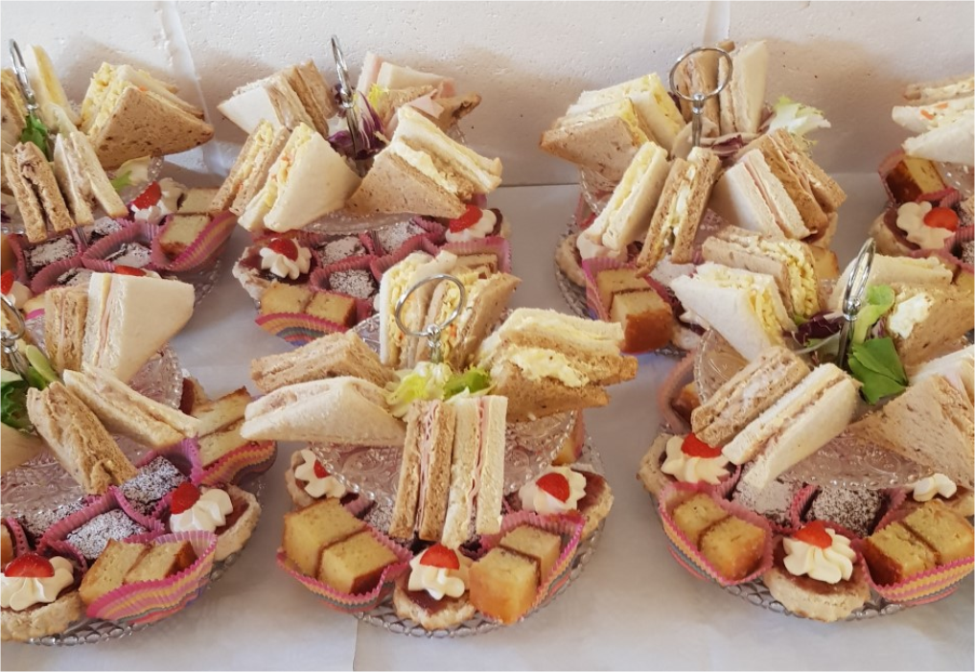
 |  | Red Cabbage & Beetroot | Ploughman’s Platter |  | Veggie Barmcake

 | Followed by: | Followed by: | Followed by: | Followed by: | Followed by:
 | Fairy Cakes | Chocolate Sponge & Custard | Assorted Jellies & Mousse | Scone with Jam & Cream | Arctic Roll
Daily selection of fresh fruit – bananas, melon, apples, satsumas etc. Daily dairy available – milk, pots of fromage frais and yoghurt
Week 3 | A choice of: | A choice of: | A choice of: | A choice of: | A choice of:
 | Jacket Potatoes | Pasta with Meat/Veg balls | Roast Gammon or Quorn Cutlets | Cheese & Onion Pie | Cheese & Tomato Pizza
 | *Fillings: cheese/coleslaw/tuna | Macaroni Cheese | Yorkshire Puddings | Meat Pie | Cheese & Ham Pizza
 | Chilli Con Carne | Sweetcorn | Roast Potatoes | Potatoes | Chipped Potatoes
 | Chilli Con Veggie | Garlic Bread | Vegetable & Cheese Bake | Peas | Baked beans
 | Rice | Toasties & Wraps | Carrots | Beef Burger or Veggie Burger | Bacon / Veggie Barmcakes
 | Tacos & Cheese |  | Ploughman’s Platter | Toasties

 | Followed by: | Followed by: | Followed by: | Followed by: | Followed by:
 | Mini Muffins | Sticky Toffee Pudding & Custard | Chocolate Brownies | Oaty Flapjacks | Jam Tarts
All chicken is halal. Season soups available and weekly ‘Chef’s Specials’ – new tastes to try!

*Please note - It may be necessary to make changes to the menu from time to time due to delivery issues or other unforeseen circumstances. Apologies for any inconvenience this may cause*

